Sheet1
Date | Platform | Type of Post | Purpose | Title | Text | Image | Link
Day 1 | Facebook, Linkedin, Instagram | Blog | General engagement | How to make killer marketing reports | I get it. Reporting can be daunting – there are massive amounts of data to mine and sadly, most of it’s useless. That starts with decoding data and unearthing valuable insights that can change the course of your campaign. Killer reporting is a prerequisite for any successful digital campaign. So instead of stressing about your next report, crush it with these tips. | 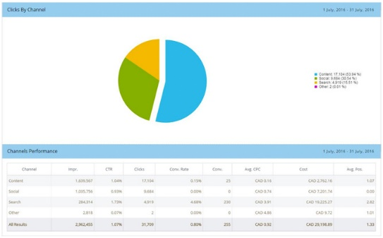
Day 1 | Facebook, Linkedin | News Article | Information sharing | A List of Must-haves for an Effective Digital Marketing Strategy | Since the advent of the Internet, organizations have slowly understood the importance of advertising their product or services on digital |  | https://www.entrepreneur.com/article/329157
Day 2 | Facebook, Linkedin, Instagram | Blog | Awareness | Amazon Ads - The next big thing | In their most recent quarterly report, Amazon announced they’re on track to earn $10 billion a year from their advertising business. Some advertisers have already opted to move over half of their budgets from Google search to Amazon ads. In March, eMarketer predicted that Amazon was on track to become the third largest online ad player by 2020.
Day 2 | Facebook Linkedin | News Article | Information sharing | Five Digital Marketing Trends To Expect In 2019 | Last year had its lessons, including that the key to social media success is being socially conscious and even if a picture is worth a thousand words, a video is worth a million |  | https://www.forbes.com/sites/theyec/2019/02/19/five-digital-marketing-trends-to-expect-in-2019/#18bd12875d43
Day 3 | Facebook Linkedin Instagram | Blog | Awareness | Google Analytics - How to read and interpret numbers | There’s nothing more exhilarating – yes, exhilarating – than seeing a campaign exceed your quantitative expectations. It’s almost just as exciting to find the reason why numbers aren’t quite what you forecasted. You’re always learning new ways to view, interpret, and report on data so you can improve on the next campaign. | 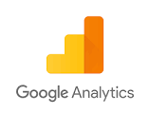
Day 4 | Facebook linkedin | Blog | General engagement | Trends in Digital Marketing - What businesses | LinkedIn changed up their algorithm, Google announced the end of Google+ for consumers, and much more
Day 5 | Facebook linkedin | News Article | Information sharing | More and more businesses are spending on digital business strategy |  |  | https://www.marketingdive.com/news/forrester-digital-marketing-spend-to-reach-146b-by-2023-but-search-lands/549285/
Day 6 | Facebook Instagram | Casual | General engagement | Happy weekend | watch this funny clip by google
Day 7 | Facebook | Webinar | video engagement | Webinar on Google Analytics - How to setup, how to use, what's the advantage |  |  | https://www.youtube.com/watch?v=3Sk7cOqB9Dk
Day 8 | Facebook Linkedin | Blog | Knowledge sharing | Facebook Pixel - why remarketing is so important | Remarketing always gets you higher conversion rates. Know what is facebook pixel and how can it help you
Day 8 | Facebook Linkedin | Blog | Knowledge sharing | What is google tag manager | Google Tag Manager (GTM) is a game changer. Despite its usefulness, it’s still a black box for many Businesses. There’s confusion about what it is, what it does, and how it’s different than Google Analytics. Understand more here
Day 9 | Facebook Linkedin | Blog | General engagement | Why Quora ads are an opportunity for B2B players | Quora launched their global ad platform in 2017. It might not be a household name like Facebook or LinkedIn, but Quora provides an opportunity to influence B2B buyers during the research stage of their buying process. | 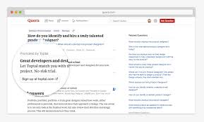
Day 9 | Facebook Linkedin | News Article | General engagement | Facebook is testing a new ad interface | Find out more here |  | https://marketingland.com/facebook-testing-new-ads-manager-interface-257680
Day 10 | Facebook Linkedin Instagram | Services Offered | Awareness | Having trouble managing multiple social media accounts for your business? | Try hootsuite's social media management tool. Plan activities, schedule posts without repeating work manually! Simple and easy to use platform. Know more here | 
Day 11 | Facebook Linkedin | Services Offered | Awareness | Use Social Media Analytics to Engineer Engagement | All businesses want to be on social media to engage with audiences but how to engage with them effectively? Read more here
Day 11 | Facebook | Webinar | Awareness | Social Media Management and Analytics | Generate more business from social media by using effective management strategies. Join us, connect, ask questions
Day 12 | Facebook Linkedin | Blog | General engagement | Website and Campaign Auditing | with campaign auditing, I can help you delve into your marketing strategies and campaign to uncover the elements that will help you beat your competition to customers. | 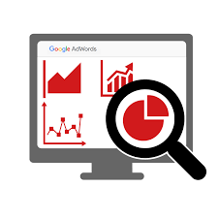
Day 13 | Facebook | Webinar | Awareness | Website and Campaign Auditing | Why it is important, and what do you need to look for
Day 13 | Facebook Linkedin | News Article | General engagement | Shopify attracts more merchants this year | Read more about how merchants are turning to ecommerce for business growth |  | https://www.practicalecommerce.com/shopify-excelled-in-2018-attracted-more-merchants
Day 13 | Facebook Linkedin | Blog | Knowledge sharing | Understanding bounce rates | How users interact with your website can have a significant impact on its search engine ranking. Factors like how long a user spends on a landing page, or whether the user clicks through to another page on the site, help Google’s search engine algorithm determine your site’s quality and relevance to search terms. | 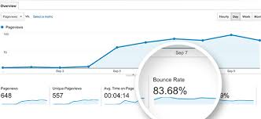
Day 14 | Facebook Linkedin | Blog | Knowledge sharing | How google search ranks local businesses | Depending on which report you read and how the data is presented, the number of people who can’t be bothered to even have a look at page two results can range anywhere from 71% to as high as 95%. Regardless of who is right with the exact percentage, it is clear that page one is prime real estate when it comes to search results. | 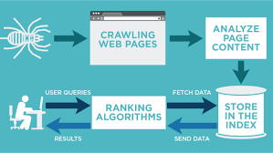
Day 14 | Facebook Linkedin | Webinar | Awareness | SEO - a permanent investment | How to address content and technical aspects of SEO. Join us for this webinar
Day 15 | Facebook | Casual | General engagement | 5 funny facebook ads that worked incredibly well! | Read more |  | http://elumynt.com/hilarious-ecommerce-facebook-ads/
Day 15 | Facebook Linkedin | Blog | General engagement | Key Digital Marketing Takeways for Business owners - 2018 | 2018 was a big year for SEO. Google’s constantly-changing search algorithm evaluates over 200 ranking factors, and SEO is an increasingly complex science. We’ve compiled a list of statistics that stood out in 2018 to adapt to your marketing efforts in 2019. | 
Day 16 | Facebook Linkedin | News Article | General engagement | Google Ads Extensions 2.0 | Know more about how you can leave ad extensions on search results |  | https://globenewswire.com/news-release/2019/02/25/1741899/0/en/Google-Ads-Extension-Launched-To-Display-Contact-Information-On-All-Ad-Visitors.html
Day 16 | Facebook Linkedin | Blog | Awareness | Not just your content but your images also need to be SE optimized! | Are your images optimized for SEO? Or do you just throw up whatever you have on hand at the time? | 
Day 17 | Facebook Linkedin | Blog | General engagement | 6 digital marketing tools you should be using in 2019 | Canva, Google Search Console and more
Day 17 | Facebook Linkedin | News Article | General engagement | CRM Automations tools are helping small business grow | Read more about this |  | https://news.thomasnet.com/fullstory/freeagent-crm-marketing-platform-for-small-business-to-grow-business-and-increase-customer-loyalty-40021536
Day 18 | Facebook Linkedin | Blog | Awareness | What online shoppers want | A good deal, reward points, personalization, free shipping, ease of use, special offers. In a world where offers and options are endless, what do online shoppers truly want in their customer journey?
Day 19 | Facebook Linkedin | Blog | Awareness | Instagram stories expanding to shopping ads | Instagram is known to be the best Social Media channel to connect with your friends and interests all in one place. Traditionally, marketers have preached that Instagram is the place to showcase your products and build your brand identity, though it was never seen as the channel to drive conversions. This might be changing now | 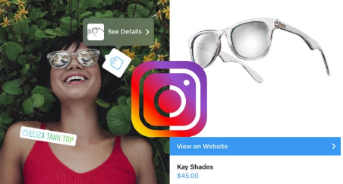
Day 20 | Facebook Linkedin | Blog | General engagement | Ecommerce customer retention strategies | It costs five times as much to attract a new customer than to keep an existing one.
Day 21 | Facebook | Webinar | Awareness | Ecommerce customer retention strategies | Cost effective ways of leveraging your existing assets to retain customers. Find out more, join us for the webinar
Day 22 | Facebook Linkedin | News Article | General engagement | Ecommerce and digital marketing companies battle for the digital consumer in 'an Amazon world' | The competition is intense |  | https://www.realwire.com/releases/Ecommerce-and-digital-marketing-companies-battle-for-the-digital-consumer
Day 23 | Facebook Linkedin | Blog | General engagement | Why 91% of the content gets zero traffic from google | There are 1.8 Million new pages created every 24 hours, and only 9% of those new pages will receive at least 1 organic view from Google search. How depressing is that? Putting all that work into a great content piece and receiving no traffic. Thankfully, a recent study by Ahrefs has helped us to understand why this is and how we can avoid being a part of that lonely 91%. | 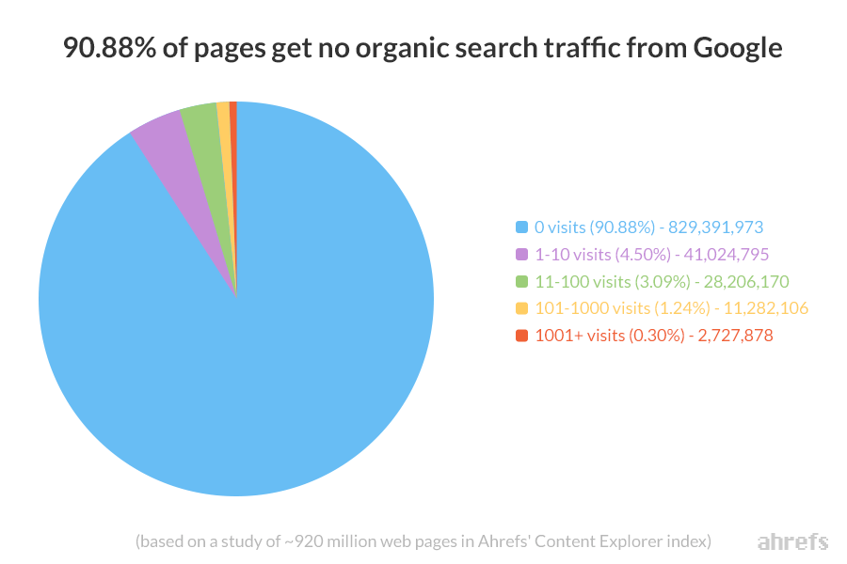
Day 24 | Facebook | Blog | General engagement | Texting for marketing | The future may include businesses texting their customers to reach them better. In fact, 39% of companies say that they are already doing this because it’s fast and generally feels more human. | 
Day 25 | Facebook | Blog | Awareness | User Generated Content | User-generated content is a great way to appear more trustful to new customers. Reposting customer posts, publishing reviews, or making ads with user-generated content in them are only a few ways to really help build your social-proof! | 
Day 26 | Facebook, Linkedin | Blog | Services | Email Marketing CRM | If it’s time to review your email marketing efforts, make sure that your emails will actually be read! Keeping them brief and mobile-ready are only two ways to do this! | 
Day 27 | Facebook, Linkedin | Blog | Awareness | Bust those myths! | Time and time again, small business owners listen to marketing myths and unknowingly harm the success of their marketing efforts. So be sure that if you're creating a marketing strategy, you know that quality always trumps quantity and that often, it's useful to have an experienced member of your team lead your marketing efforts.
Day 28 | Facebook | News Article | General engagement | Simplying SEO | Here is a simple guide to SEO from Forbes magazine |  | https://www.forbes.com/sites/forbesagencycouncil/2018/07/03/how-seo-and-content-marketing-work-together-to-fuel-your-online-success/?fbclid=IwAR2WQ1hz4KGFbfIrxWCuY907u_ct3YaWzQPPnShIxJ8pK2t88ZZb3utzYUw#5640cb9916bf
Day 29 | Facebook, Linkedin | Blog | Awareness | Email optimization | How do you deal with promotional emails? Transactional emails? Is there even a difference? Seasonal emails ( Black Friday, Cyber Monday)? What’s the deal with deliverability and spam folders?
Day 30 | Facebook, Linkedin | News Article | Awareness | Six best practices for social media management |  |  | https://www.forbes.com/sites/jaysondemers/2015/01/27/6-social-media-practices-that-boost-seo/?fbclid=IwAR2rDBXeRypElhYBT6acBCiFhohKGM809Ml3GcdnGw1vYwBn24Nitfco9R0#c1209cb3d171

